ASO
Fiscal | 2019 | 2020 | 2021 | 2022 | 2023 | 2024 | 2025 | Current | 5-Yr | Index | RUT | P/E | 7.74 | EPS (ttm) | 5.76 | Insider Own | 1.34% | Shs Outstand | 68.33M | Perf Week | 4.30%
Return on Asset % | 0.66 | 2.38 | 7.09 | 14.97 | 13.68 | 11.2 | 8.74 | 8.74 | 5.02 | Market Cap | 2.97B | Forward P/E | 6.79 | EPS next Y | 6.57 | Insider Trans | 0.00% | Shs Float | 65.64M | Perf Month | 13.72%
Return on Equity % | 2.5 | 9.75 | 29.4 | 52.07 | 40.58 | 28.98 | 21.14 | 21.14 | 18.74 | Income | 418.45M | PEG | 1.11 | EPS next Q | 2.15 | Inst Own | 113.28% | Short Float | 10.81% | Perf Quarter | -4.66%
Return on Invested Capital % | 4.88 | 6.14 | 11.4 | 22.03 | 19.78 | 15.76 | 12.02 | 12.02 | 8.89 | Sales | 5.93B | P/S | 0.5 | EPS this Y | -1.26% | Inst Trans | -3.04% | Short Ratio | 3.83 | Perf Half Y | -9.53%
Days Sales Outstanding | 1.2 | 1.12 | 1 | 1 | 1.03 | 1.06 | 1.11 | 1.11 | 0.86 | Book/sh | 29.33 | P/B | 1.52 | EPS next Y | 10.54% | ROA | 8.68% | Short Interest | 7.09M | Perf Year | -18.84%
Days Inventory | 121.19 | 119.95 | 96.43 | 89.22 | 107.13 | 111.67 | 116.47 | 116.47 | 85.36 | Cash/sh | 4.34 | P/C | 10.27 | EPS next 5Y | 6.98% | ROE | 21.14% | 52W Range | 33.34 - 64.61 | Perf YTD | -22.48%
Payables Period | 46.16 | 46.23 | 56.3 | 63.11 | 62.15 | 55.33 | 53.68 | 53.68 | 42.36 | Dividend Est. | 0.47 (1.06%) | P/FCF | 9.19 | EPS past 5Y | 33.97% | ROIC | 11.39% | 52W High | -30.98% | Beta | 1.29
Cash Conversion Cycle | 76.22 | 74.85 | 41.13 | 27.11 | 46.02 | 57.41 | 63.91 | 63.91 | 43.86 | Dividend TTM | 0.46 (1.03%) | Quick Ratio | 0.42 | Sales past 5Y | 4.20% | Gross Margin | 31.91% | 52W Low | 33.77% | ATR (14) | 1.75
Recieveables Turnover | 304.22 | 324.98 | 363.47 | 365.88 | 353.11 | 343.38 | 328.45 | 328.45 | 271.71 | Dividend Ex-Date | Jun 18, 2025 | Current Ratio | 1.78 | EPS Y/Y TTM | -14.66% | Oper. Margin | 9.08% | RSI (14) | 61.46 | Volatility | 0.83% 2.08%
Inventory Turnover | 3.01 | 3.04 | 3.79 | 4.09 | 3.41 | 3.27 | 3.13 | 3.13 | 2.79 | Employees | 22000 | Debt/Eq | 0.89 | Sales Y/Y TTM | -3.67% | Profit Margin | 7.05% | Recom | 2.05 | Target Price | 54.94
Fixed Assets Turnover | 9.64 | 4.64 | 3.66 | 4.6 | 4.45 | 4.1 | 3.65 | 3.65 | 4.51 | Option/Short | Yes / Yes | LT Debt/Eq | 0.83 | EPS Q/Q | -14.53% | Payout | 7.68% | Rel Volume | 2.14 | Prev Close | 44.37
Asset Turnover | 1.48 | 1.28 | 1.31 | 1.51 | 1.39 | 1.33 | 1.24 | 1.24 | 1.11 | Sales Surprise | -1.47% | EPS Surprise | -14.66% | Sales Q/Q | -6.57% | Earnings | Jun 10 BMO | Avg Volume | 1.85M | Price | 44.6
 |  |  |  |  |  |  |  |  |  | SMA20 | 3.33% | SMA50 | 9.78% | SMA200 | -10.68% | Trades |  | Volume | 3,953,777 | Change | 0.52%
ROA %

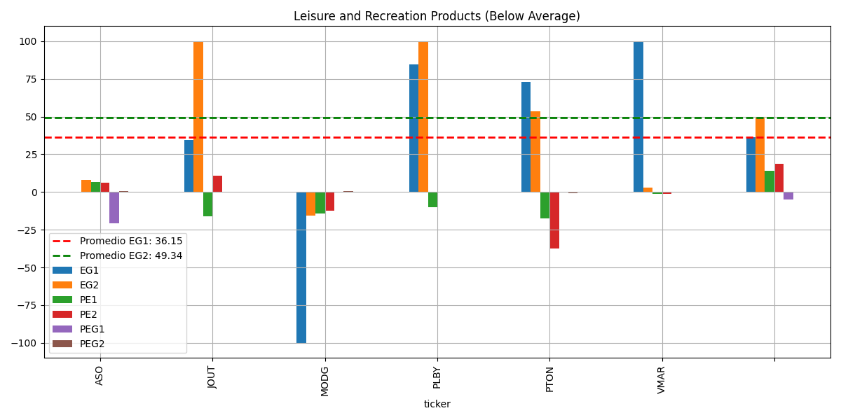

ROE%

SJM (2)
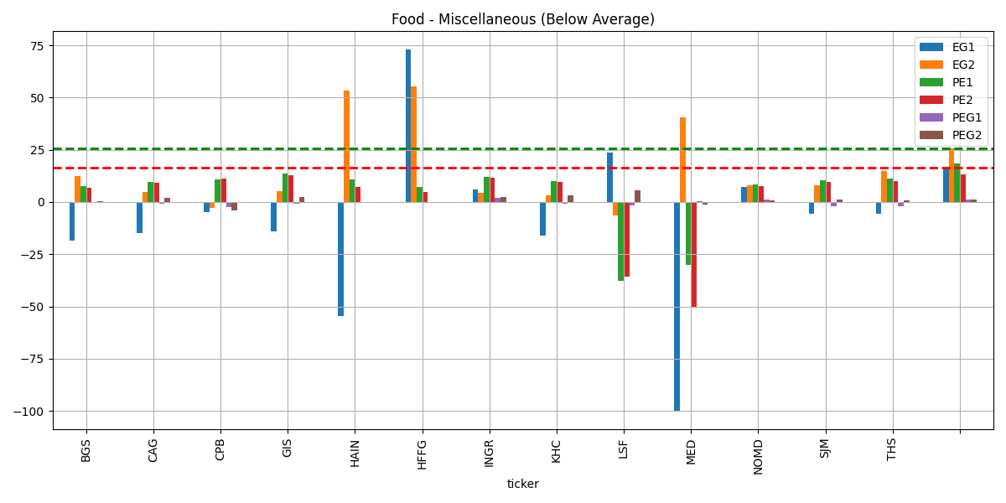
Liquidity/Financial Health | 2015-04 | 2016-04 | 2017-04 | 2018-04 | 2019-04 | 2020-04 | 2021-04 | 2022-04 | 2023-04 | 2024-04 | Latest Qtr
Current Ratio | 2.01 | 1.3 | 0.9 | 1.5 | 0.69 | 1.24 | 0.68 | 1.03 | 1.44 | 0.52 | 0.6
Quick Ratio | 0.54 | 0.46 | 0.33 | 0.56 | 0.26 | 0.59 | 0.3 | 0.36 | 0.88 | 0.21 | 0.21
Interest Coverage | 7.55 | 6.72 | 6.39 | 5.95 | 4.37 | 6.43 | 7.62 | 6.24 | 0.94 | 4.77 | 0.91
Financial Leverage | 2.38 | 2.28 | 2.28 | 1.94 | 2.1 | 2.07 | 2 | 1.97 | 2.06 | 2.64 | 2.67
Debt/Equity | 0.84 | 0.73 | 0.65 | 0.59 | 0.59 | 0.67 | 0.45 | 0.54 | 0.6 | 0.9 | 0.94
Book Value/Share | 43.69 | 62.98 | 63.84 | 68.72 | 70.52 | 71.62 | 75.8 | 77.65 | 79.84 | 71.19 | 71.73
Cap Ex as a % of Sales | 4.35 | 2.58 | 2.6 | 4.38 | 4.59 | 3.45 | 3.83 | 5.22 | 5.6 | 7.17 | 4.89

UNFI
Fiscal | 2015 | 2016 | 2017 | 2018 | 2019 | 2020 | 2021 | 2022 | 2023 | 2024 | Current | 5-Yr
Return on Asset % | 5.72 | 4.66 | 4.54 | 5.66 | -5.62 | -3.71 | 1.97 | 3.27 | 0.32 | -1.5 | -1.06 | 2.99
Return on Equity % | 10.55 | 8.66 | 8.13 | 9.39 | -16.97 | -20.62 | 11.2 | 15 | 1.36 | -6.62 | -4.94 | 3.95
Return on Invested Capital % | 8.12 | 6.65 | 6.7 | 8.34 | -4.56 | -3.08 | 5.75 | 7.11 | 2.5 | 0.06 | 0.61 | 5.05
Days Sales Outstanding | 20.95 | 21.14 | 20.44 | 20.26 | 13.98 | 14.75 | 14.82 | 14.4 | 12.45 | 10.52 | 11.15 | 19.35
Days Inventory | 47.9 | 50.87 | 47.76 | 45.45 | 31.64 | 35.23 | 35.91 | 33.94 | 32.44 | 30.47 | 30.19 | 44.72
Payables Period | 20.45 | 21.21 | 22.8 | 22.05 | 19.56 | 25.07 | 25.99 | 24.97 | 24.6 | 23.64 | 23.21 | 21.21
Cash Conversion Cycle | 48.39 | 50.8 | 45.41 | 43.65 | 26.06 | 24.91 | 24.73 | 23.36 | 20.3 | 17.34 | 18.12 | 42.86
Recieveables Turnover | 17.43 | 17.26 | 17.85 | 18.02 | 26.11 | 24.74 | 24.64 | 25.35 | 29.32 | 34.71 | 32.75 | 19.33
Inventory Turnover | 7.62 | 7.18 | 7.64 | 8.03 | 11.54 | 10.36 | 10.16 | 10.75 | 11.25 | 11.98 | 12.09 | 8.4
Fixed Assets Turnover | 15.5 | 14.25 | 15.22 | 17.43 | 19.35 | 12.27 | 9.74 | 10.13 | 10.33 | 10.02 | 9.7 | 16.35
Asset Turnover | 3.38 | 3.14 | 3.23 | 3.5 | 4.22 | 3.59 | 3.57 | 3.82 | 4.03 | 4.15 | 4.11 | 3.49

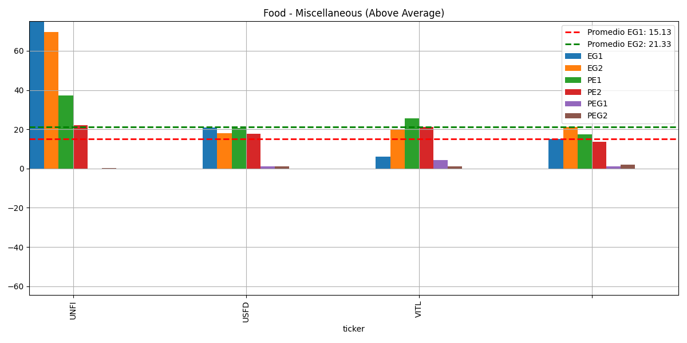
 |  |  |  |  |  |  |  |  |  | Index | RUT | P/E | - | EPS (ttm) | -1.38 | Insider Own | 2.61% | Shs Outstand | 60.50M | Perf Week | -17.91%
 |  |  |  |  |  |  |  |  |  | Market Cap | 1.57B | Forward P/E | 18.66 | EPS next Y | 1.39 | Insider Trans | -0.86% | Shs Float | 58.95M | Perf Month | -4.95%
 |  |  |  |  |  |  |  |  |  | Income | -82.00M | PEG | - | EPS next Q | 0.22 | Inst Own | 90.35% | Short Float | 7.43% | Perf Quarter | 0.27%
 |  |  |  |  |  |  |  |  |  | Sales | 31.68B | P/S | 0.05 | EPS this Y | 489.83% | Inst Trans | 0.14% | Short Ratio | 5.91 | Perf Half Y | 5.03%
 |  |  |  |  |  |  |  |  |  | Book/sh | 26.86 | P/B | 0.96 | EPS next Y | 68.09% | ROA | -1.06% | Short Interest | 4.38M | Perf Year | 93.28%
 |  |  |  |  |  |  |  |  |  | Cash/sh | 0.73 | P/C | 35.63 | EPS next 5Y | 131.59% | ROE | -4.94% | 52W Range | 11.88 - 34.76 | Perf YTD | -5.16%
 |  |  |  |  |  |  |  |  |  | Dividend Est. | - | P/FCF | 10.25 | EPS past 5Y | 19.41% | ROIC | -1.58% | 52W High | -25.49% | Beta | 0.91
 |  |  |  |  |  |  |  |  |  | Dividend TTM | - | Quick Ratio | 0.52 | Sales past 5Y | 6.79% | Gross Margin | 12.38% | 52W Low | 118.01% | ATR (14) | 1.22
 |  |  |  |  |  |  |  |  |  | Dividend Ex-Date | - | Current Ratio | 1.45 | EPS Y/Y TTM | 29.70% | Oper. Margin | 0.59% | RSI (14) | 37.53 | Volatility | 4.62% 3.42%
 |  |  |  |  |  |  |  |  |  | Employees | 28333 | Debt/Eq | 2.29 | Sales Y/Y TTM | 4.73% | Profit Margin | -0.26% | Recom | 2.83 | Target Price | 30.56
 |  |  |  |  |  |  |  |  |  | Option/Short | Yes / Yes | LT Debt/Eq | 2.19 | EPS Q/Q | 80.28% | Payout | - | Rel Volume | 1.82 | Prev Close | 27.86
 |  |  |  |  |  |  |  |  |  | Sales Surprise | 2.44% | EPS Surprise | 21.88% | Sales Q/Q | 4.93% | Earnings | Jun 10 BMO | Avg Volume | 740.35K | Price | 25.9
 |  |  |  |  |  |  |  |  |  | SMA20 | -11.91% | SMA50 | -4.94% | SMA200 | 4.63% | Trades |  | Volume | 361,833 | Change | -7.04%

 |  |  |  |  |  | Currency in USD | Current Qtr. (Apr 2025) | Next Qtr. (Jul 2025) | Current Year (2025) | Next Year (2026)
 |  |  |  |  |  | No. of Analysts | 10 | 10 | 10 | 10
 |  |  |  |  |  | Avg. Estimate | 0.22 | 0.22 | 0.82 | 1.36
 |  |  |  |  |  | Low Estimate | 0.16 | 0.12 | 0.69 | 0.98
 |  |  |  |  |  | High Estimate | 0.26 | 0.3 | 0.91 | 2.05
 |  |  |  |  |  | Year Ago EPS | 0.1 | 0.01 | 0.14 | 0.82

 |  |  |  |  |  |  | 0.21 | 0.21 | 0.8 | 1.515

 |  |  |  |  |  | Upgrade | CL King: Neutral to Buy | 2025-12-03
 |  |  |  |  |  | Maintains | Goldman Sachs: Neutral to Neutral | 2/13/2025
 |  |  |  |  |  | Maintains | Wells Fargo: Underweight to Underweight | 2025-10-01
 |  |  |  |  |  | Reiterates | Guggenheim: Neutral to Neutral | 2024-12-12
 |  |  |  |  |  | Maintains | Roth MKM: Neutral to Neutral | 2024-12-12
 |  |  |  |  |  | Maintains | BMO Capital: Market Perform to Market Perform | 2024-11-12

 |  |  |  |  |  | Currency in USD | Current Qtr. (Apr 2025) | Next Qtr. (Jul 2025) | Current Year (2025) | Next Year (2026)
 |  |  |  |  |  | Up Last 7 Days | -- | 4 | 1 | 1
 |  |  |  |  |  | Up Last 30 Days | 3 | 4 | 8 | 6
 |  |  |  |  |  | Down Last 7 Days | 1 | 4 | -- | 1
 |  |  |  |  |  | Down Last 30 Days | 8 | 4 | 3 | 3

UNFI (2)
Liquidity/Financial Health | 2015-07 | 2016-07 | 2017-07 | 2018-07 | 2019-07 | 2020-07 | 2021-07 | 2022-07 | 2023-07 | 2024-07 | Latest Qtr
Current Ratio | 2.93 | 2.6 | 2.36 | 2.56 | 1.69 | 1.56 | 1.43 | 1.57 | 1.44 | 1.44 | 1.45
Quick Ratio | 0.93 | 0.82 | 0.77 | 0.86 | 0.53 | 0.49 | 0.46 | 0.52 | 0.39 | 0.42 | 0.45
Interest Coverage | 16.85 | 13.81 | 13.53 | 13.92 | -1.67 | -0.93 | 2.13 | 3.26 | 1.05 | 0.06 | 0.33
Financial Leverage | 1.84 | 1.88 | 1.72 | 1.61 | 4.74 | 6.63 | 4.97 | 4.26 | 4.24 | 4.59 | 4.76
Debt/Equity | 0.39 | 0.39 | 0.22 | 0.19 | 1.93 | 3.01 | 2.09 | 1.79 | 1.76 | 2.05 | 2.19
Book Value/Share | 27.01 | 29.58 | 32.18 | 35.95 | 29.07 | 21.39 | 23.09 | 30.62 | 31.47 | 28.27 | 27.12
Cap Ex as a % of Sales | 1.58 | 0.49 | 0.61 | 0.44 | 0.97 | 0.65 | 1.15 | 0.87 | 1.07 | 1.11 | 0.97

Current ratio
Financial leverage

Debt/Equity

OXM
Fiscal | 2016 | 2017 | 2018 | 2019 | 2020 | 2021 | 2022 | 2023 | 2024 | 2025 | Current | 5-Yr |  | Index | RUT | P/E | 8.55 | EPS (ttm) | 5.87 | Insider Own | 4.46% | Shs Outstand | 16.00M | Perf Week | -7.28%
Return on Asset % | 4.98 | 8.28 | 9.4 | 9.29 | 7.78 | -10.08 | 14.41 | 15.44 | 5.31 | 7.79 | 7.79 | 7.95 |  | Market Cap | 746.71M | Forward P/E | 10.4 | EPS next Y | 4.82 | Insider Trans | -0.04% | Shs Float | 14.21M | Perf Month | -13.80%
Return on Equity % | 9.78 | 14.77 | 16.15 | 14.6 | 13.6 | -20.48 | 28.75 | 31.16 | 10.87 | 15.71 | 15.71 | 13.78 |  | Income | 92.97M | PEG | - | EPS next Q | 1.82 | Inst Own | 112.46% | Short Float | 15.51% | Perf Quarter | -12.05%
Return on Invested Capital % | 8.29 | 12.91 | 14.32 | 14.07 | 9.83 | -11.94 | 17.91 | 19.34 | 7.02 | 9.64 | 9.64 | 11.88 |  | Sales | 1.52B | P/S | 0.49 | EPS this Y | -34.83% | Inst Trans | -3.59% | Short Ratio | 4.67 | Perf Half Y | -37.13%
Days Sales Outstanding | 26.01 | 20.94 | 21.14 | 22.51 | 20.77 | 21.73 | 10.38 | 10.15 | 12.47 | 16.34 | 16.34 | 22.27 |  | Book/sh | 38.91 | P/B | 1.29 | EPS next Y | 10.82% | ROA | 7.79% | Short Interest | 2.20M | Perf Year | -51.17%
Days Inventory | 123.1 | 112.58 | 103.66 | 111.54 | 119.5 | 150.85 | 101.02 | 117.96 | 120.33 | 106.13 | 106.13 | 114.08 |  | Cash/sh | 0.64 | P/C | 78.85 | EPS next 5Y | -3.11% | ROE | 15.71% | 52W Range | 42.12 - 108.51 | Perf YTD | -36.28%
Payables Period | 66.2 | 60.22 | 55.11 | 57.34 | 56.18 | 74.74 | 63.6 | 61.23 | 57.09 | 61.82 | 61.82 | 59.01 |  | Dividend Est. | 3.16 ( 6.30% ) | P/FCF | 12.49 | EPS past 5Y | 7.72% | ROIC | 9.18% | 52W High | -53.74% | Beta | 1.45
Cash Conversion Cycle | 82.91 | 73.3 | 69.69 | 76.71 | 84.09 | 97.83 | 47.79 | 66.89 | 75.7 | 60.66 | 60.66 | 77.34 |  | Dividend TTM | 2.70 ( 5.38% ) | Quick Ratio | 0.51 | Sales past 5Y | 6.20% | Gross Margin | 62.15% | 52W Low | 19.18% | ATR (14) | 2.45
Recieveables Turnover | 14.03 | 17.43 | 17.27 | 16.22 | 17.58 | 16.8 | 35.16 | 35.95 | 29.28 | 22.34 | 22.34 | 16.5 |  | Dividend Ex-Date | Apr 17, 2025 | Current Ratio | 1.18 | EPS Y/Y TTM | 52.67% | Oper. Margin | 6.58% | RSI (14) | 38.6 | Volatility | 0.61% 2.18%
Inventory Turnover | 2.97 | 3.24 | 3.52 | 3.27 | 3.05 | 2.42 | 3.61 | 3.09 | 3.03 | 3.44 | 3.44 | 3.21 |  | Employees | 6000 | Debt/Eq | 0.72 | Sales Y/Y TTM | -3.49% | Profit Margin | 6.13% | Recom | 3.33 | Target Price | 52.75
Fixed Assets Turnover | 5.72 | 5.41 | 5.61 | 5.74 | 3.35 | 1.72 | 3.08 | 3.69 | 3.58 | 2.77 | 2.77 | 5.16 |  | Option/Short | Yes / Yes | LT Debt/Eq | 0.63 | EPS Q/Q | 129.33% | Payout | 44.26% | Rel Volume | 1.4 | Prev Close | 54.74
Asset Turnover | 1.58 | 1.61 | 1.57 | 1.55 | 1.28 | 0.79 | 1.25 | 1.32 | 1.37 | 1.27 | 1.27 | 1.52 |  | Sales Surprise | 1.70% | EPS Surprise | 8.22% | Sales Q/Q | -3.44% | Earnings | Jun 11 AMC | Avg Volume | 471.60K | Price | 50.2
 |  |  |  |  |  |  |  |  |  |  |  |  |  | SMA20 | -8.11% | SMA50 | -4.76% | SMA200 | -29.25% | Trades |  | Volume | 621,236 | Change | -8.29%
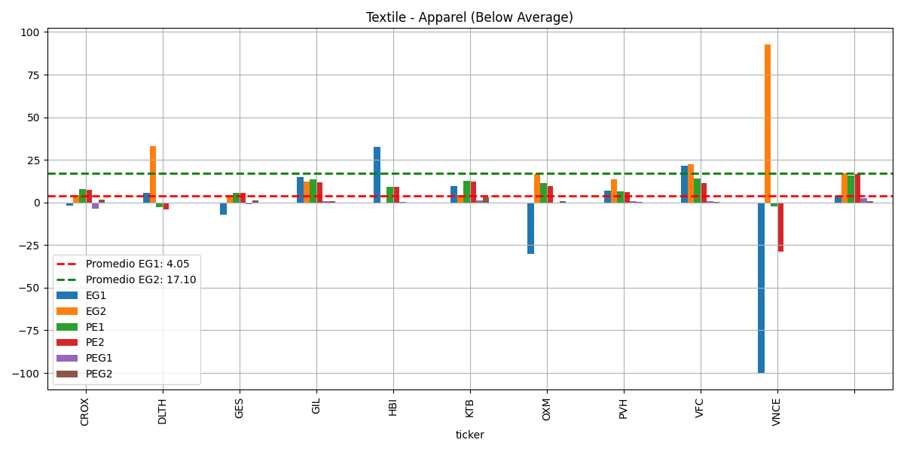
-FUERTE POSICION DE MARCA Y PORTAFOLIO DIVERSIFICADO:
La compañia posee marcas reconocidas y con alta percepcion de valor, como Lilly Pullitzer, Tommy Bahama, Southern Tide,
entre otras, lo que les permite atraer diferentes segmentos del mercado.
-ESTRATEGIA ONMICANAL SOLIDA:
La empresa ha desarrollado una plataforma omnicanal que le permite captar ventas tanto en tiendas fisicas como en linea
aumentando

 |  |  |  |  |  |  | Currency in USD | Current Qtr. (Apr 2025) | Next Qtr. (Jul 2025) | Current Year (2026) | Next Year (2027)
 |  |  |  |  |  |  | No. of Analysts | 6 | 6 | 6 | 5
 |  |  |  |  |  |  | Avg. Estimate | 1.82 | 2.2 | 4.35 | 5.45
 |  |  |  |  |  |  | Low Estimate | 1.8 | 2.09 | 3.16 | 4.9
 |  |  |  |  |  |  | High Estimate | 1.84 | 2.38 | 4.8 | 5.96
 |  |  |  |  |  |  | Year Ago EPS | 2.66 | 2.77 | 6.68 | 4.35

 |  |  |  |  |  |  |  | 1.82 | 2.235 | 3.98 | 5.43

 |  |  |  |  |  |  | Maintains | UBS: Neutral to Neutral | 2025-05-06 |  | Currency in USD | Current Qtr. (Apr 2025) | Next Qtr. (Jul 2025) | Current Year (2026) | Next Year (2027)
 |  |  |  |  |  |  | Maintains | Telsey Advisory Group: Market Perform to Market Perform | 2025-05-06 |  | Up Last 7 Days | -- | 2 | 1 | 1
 |  |  |  |  |  |  | Initiated | Truist Securities: Hold | 5/28/2025 |  | Up Last 30 Days | 1 | -- | -- | --
 |  |  |  |  |  |  | Maintains | Telsey Advisory Group: Market Perform to Market Perform | 4/23/2025 |  | Down Last 7 Days | 3 | -- | -- | --
 |  |  |  |  |  |  | Maintains | Citigroup: Sell to Sell | 2025-07-04 |  | Down Last 30 Days | -- | 1 | 5 | 1
 |  |  |  |  |  |  | Downgrade | Keybanc: Overweight to Sector Weight | 3/28/2025

ORCL
Fiscal | 2015 | 2016 | 2017 | 2018 | 2019 | 2020 | 2021 | 2022 | 2023 | 2024 | Current | 5-Yr | Index | S&P 500 | P/E | 41.44 | EPS (ttm) | 4.26 | Insider Own | 41.25% | Shs Outstand | 2.80B | Perf Week | 4.93%
Return on Asset % | 9.88 | 7.98 | 7.55 | 2.81 | 9.01 | 9.04 | 11.15 | 5.59 | 6.98 | 7.6 | 8.15 | 7.45 | Market Cap | 494.61B | Forward P/E | 21.74 | EPS next Y | 8.11 | Insider Trans | -0.33% | Shs Float | 1.65B | Perf Month | 12.19%
Return on Equity % | 20.8 | 18.55 | 18.46 | 7.68 | 32.83 | 59.87 | 158.8 | - | - | 214.11 | 108.8 | 19.66 | Income | 12.16B | PEG | 2.03 | EPS next Q | 1.48 | Inst Own | 44.49% | Short Float | 0.95% | Perf Quarter | 16.89%
Return on Invested Capital % | 13.05 | 10.59 | 10 | 4.06 | 13 | 14.07 | 17.9 | - | - | 14.1 | 14.32 | 10.14 | Sales | 55.78B | P/S | 8.87 | EPS this Y | 10.52% | Inst Trans | 0.05% | Short Ratio | 1.58 | Perf Half Y | -7.99%
Days Sales Outstanding | 55.88 | 54.2 | 51.69 | 48.47 | 48.1 | 49.91 | 49.41 | 48.86 | 47.01 | 50.96 | 50.21 | 51.67 | Book/sh | 5.97 | P/B | 29.55 | EPS next Y | 21.72% | ROA | 8.15% | Short Interest | 15.76M | Perf Year | 40.07%
Days Inventory | 12.19 | 12.84 | 12.51 | - | - | - | - | - | - | - | - | 7.51 | Cash/sh | 6.36 | P/C | 27.75 | EPS next 5Y | 20.37% | ROE | 108.79% | 52W Range | 118.86 - 198.31 | Perf YTD | 5.84%
Payables Period | 30.94 | 31.97 | 26.95 | 25.47 | 25.31 | 27.98 | 32.11 | 42.39 | 33.92 | 42.92 | 46.23 | 28.13 | Dividend Est. | 1.81 (1.03%) | P/FCF | 85.1 | EPS past 5Y | 4.54% | ROIC | 11.60% | 52W High | -11.06% | Beta | 1.33
Cash Conversion Cycle | 37.13 | 35.07 | 37.25 | - | - | - | - | - | - | - | - | 21.89 | Dividend TTM | 1.70 (0.96%) | Quick Ratio | 1.02 | Sales past 5Y | 6.04% | Gross Margin | 66.63% | 52W Low | 48.39% | ATR (14) | 4.08
Recieveables Turnover | 6.53 | 6.73 | 7.06 | 7.53 | 7.59 | 7.31 | 7.39 | 7.47 | 7.76 | 7.16 | 7.27 | 7.09 | Dividend Ex-Date | Apr 10, 2025 | Current Ratio | 1.02 | EPS Y/Y TTM | 17.53% | Oper. Margin | 31.80% | RSI (14) | 73.53 | Volatility | 1.17% 1.42%
Inventory Turnover | 29.95 | 28.44 | 29.18 | - | - | - | - | - | - | - | - | 17.51 | Employees | 159000 | Debt/Eq | 5.75 | Sales Y/Y TTM | 6.23% | Profit Margin | 21.80% | Recom | 1.85 | Target Price | 180.75
Fixed Assets Turnover | 11.33 | 9.64 | 8.1 | 7.11 | 6.5 | 6.25 | 6.09 | 5.06 | 3.73 | 2.74 | 2.18 | 8.54 | Option/Short | Yes / Yes | LT Debt/Eq | 5.27 | EPS Q/Q | 19.95% | Payout | 43.15% | Rel Volume | 1.65 | Prev Close | 177.48
Asset Turnover | 0.38 | 0.33 | 0.31 | 0.29 | 0.32 | 0.35 | 0.33 | 0.35 | 0.41 | 0.38 | 0.37 | 0.33 | Sales Surprise | 2.06% | EPS Surprise | 3.50% | Sales Q/Q | 6.40% | Earnings | Jun 11 AMC | Avg Volume | 9.96M | Price | 176.38
 |  |  |  |  |  |  |  |  |  |  |  |  | SMA20 | 6.66% | SMA50 | 17.80% | SMA200 | 8.06% | Trades |  | Volume | 16,478,398 | Change | -0.62%
ROA%
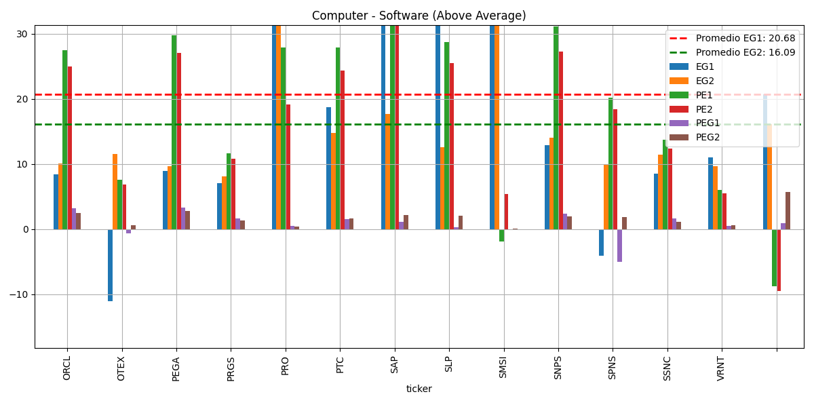

ROE%

LOVE
Fiscal | 2016 | 2017 | 2018 | 2019 | 2020 | 2021 | 2022 | 2023 | 2024 | 2025 | Current | 5-Yr | Index | RUT | P/E | 34.5 | EPS (ttm) | 0.6 | Insider Own | 9.44% | Shs Outstand | 14.79M | Perf Week | 6.04%
Return on Asset % | -50.47 | -35.67 | -21.59 | -47.16 | -13.18 | 9.93 | 16.92 | 7.15 | 5.3 | 2.28 | 2.28 | -33.61 | Market Cap | 307.74M | Forward P/E | 14.45 | EPS next Y | 1.44 | Insider Trans | -1.75% | Shs Float | 13.44M | Perf Month | 3.13%
Return on Equity % | -341.68 | -142 | -43.73 | -67.45 | -18 | 14.87 | 34.75 | 16.16 | 11.62 | 5.33 | 5.33 | -122.57 | Income | 11.56M | PEG | 1 | EPS next Q | -0.81 | Inst Own | 100.96% | Short Float | 21.61% | Perf Quarter | 25.11%
Return on Invested Capital % | -125.78 | -79.95 | -41.38 | -67.41 | -18.56 | 14.87 | 18.73 | 9.13 | 6.41 | 2.92 | 2.92 | -66.62 | Sales | 680.63M | P/S | 0.45 | EPS this Y | 48.79% | Inst Trans | -2.68% | Short Ratio | 5.42 | Perf Half Y | -43.91%
Days Sales Outstanding | 5.85 | 5.25 | 6.84 | 6.22 | 5.92 | 3.57 | 2.53 | 4.15 | 5.98 | 8.11 | 8.11 | 6.02 | Book/sh | 14.63 | P/B | 1.42 | EPS next Y | 39.77% | ROA | 2.08% | Short Interest | 2.90M | Perf Year | -23.22%
Days Inventory | 91.02 | 93.87 | 86.25 | 91.97 | 97.84 | 108.55 | 128.95 | 136.38 | 133.21 | 143.77 | 143.77 | 92.19 | Cash/sh | 5.64 | P/C | 3.68 | EPS next 5Y | 34.40% | ROE | 5.33% | 52W Range | 12.12 - 39.49 | Perf YTD | -12.38%
Payables Period | 83.92 | 78.14 | 81.02 | 71.86 | 57.44 | 55.26 | 46.71 | 34.52 | 32.57 | 52.04 | 52.04 | 74.48 | Dividend Est. | - | P/FCF | 17.44 | EPS past 5Y | - | ROIC | 3.07% | 52W High | -47.51% | Beta | 2.29
Cash Conversion Cycle | 12.96 | 20.98 | 12.06 | 26.33 | 46.32 | 56.85 | 84.78 | 106.01 | 106.62 | 99.84 | 99.84 | 23.73 | Dividend TTM | - | Quick Ratio | 0.79 | Sales past 5Y | 23.87% | Gross Margin | 56.29% | 52W Low | 71.04% | ATR (14) | 0.79
Recieveables Turnover | 62.36 | 69.48 | 53.39 | 58.67 | 61.62 | 102.25 | 144.2 | 87.87 | 61.07 | 45.01 | 45.01 | 61.11 | Dividend Ex-Date | - | Current Ratio | 1.59 | EPS Y/Y TTM | -49.06% | Oper. Margin | 2.01% | RSI (14) | 59.19 | Volatility | 2.03% 2.82%
Inventory Turnover | 4.01 | 3.89 | 4.23 | 3.97 | 3.73 | 3.36 | 2.83 | 2.68 | 2.74 | 2.54 | 2.54 | 3.97 | Employees | 2049 | Debt/Eq | 0.85 | Sales Y/Y TTM | -2.80% | Profit Margin | 1.70% | Recom | 1 | Target Price | 31.67
Fixed Assets Turnover | 15.64 | 13.47 | 11.55 | 11.2 | 11 | 12.9 | 6.19 | 3.99 | 3.35 | 2.94 | 2.94 | 12.57 | Option/Short | Yes / Yes | LT Debt/Eq | 0.74 | EPS Q/Q | 13.83% | Payout | 0.00% | Rel Volume | 0.36 | Prev Close | 20.25
Asset Turnover | 4.16 | 3.96 | 3.28 | 2.27 | 2.02 | 2.16 | 1.84 | 1.65 | 1.56 | 1.34 | 1.34 | 3.14 | Sales Surprise | 4.85% | EPS Surprise | 13.70% | Sales Q/Q | -3.60% | Earnings | Jun 12 BMO | Avg Volume | 535.79K | Price | 20.73
 |  |  |  |  |  |  |  |  |  |  |  |  | SMA20 | 5.60% | SMA50 | 8.13% | SMA200 | -14.36% | Trades |  | Volume | 165,567 | Change | 2.37%

 |  |  |  |  |  | Currency in USD | Current Qtr. (Apr 2025) | Next Qtr. (Jul 2025) | Current Year (2026) | Next Year (2027)
 |  |  |  |  |  | No. of Analysts | 2 | 1 | 2 | 2
 |  |  |  |  |  | Avg. Estimate | -0.75 | -0.26 | 1.5 | 2
 |  |  |  |  |  | Low Estimate | -0.83 | -0.26 | 0.89 | 1.33
 |  |  |  |  |  | High Estimate | -0.66 | -0.26 | 2.12 | 2.67
 |  |  |  |  |  | Year Ago EPS | -0.63 | -0.08 | 1.5 | 1.5

 |  |  |  |  |  |  | -0.745 | -0.26 | 1.505 | 2

 |  |  |  |  |  | Currency in USD | Current Qtr. (Apr 2025) | Next Qtr. (Jul 2025) | Current Year (2026) | Next Year (2027)
 |  |  |  |  |  | Up Last 7 Days | -- | 1 | 1 | --
 |  |  |  |  |  | Up Last 30 Days | -- | 1 | 1 | --
 |  |  |  |  |  | Down Last 7 Days | 2 | 1 | 1 | 1
 |  |  |  |  |  | Down Last 30 Days | 2 | 1 | 1 | 1

-CUELLOS DE BOTELLA DE MERCADO Y DEMANDA:
La categoria de muebles ha mostrado una tendencia de devlive de -5% a -10% lo que puede limitar
el crecimiento en el corto plazo y requiere la introduccion de nuevos productos para incentivar ventas.
-VOLATILIDAD EN RESULTADOS Y DESAFIOS EN LA EJECUCION:
En el pasado, la empresa enfrento volatilidades, coom estrategias promocionales fallidas y dislocaciones
de marketing, que afectan la comparabilidad de resultados trimestrales.
-DEPENDENCIA DE MERCADO Y MACROECONOMIA:
La macroeconomia, incluyendo tarifas y supply chain, sigue siendo un riesgo, aunque la compañia ha
fortalecido sus inventarios y cadena de suministro.
-ESTIMACIONES DE PERDIDAS A CORTO PLAZO:
Se esperan perdidas operativas en el corto plazo, con ganancias proyectadas solo en el futuro cercano,
lo cual puede preocupar a los inversores mas conservadores.
-SENSIBILIDAD A TARIFAS Y A SUPPLY CHAIN:
Aunque ha fortalecido su inventario, la compañia advirtio sobre riesgos asociados a tarifas y disrupciones,
que aun pueden impactar la rentabiidad.

OXM (2)
debt/equity
Liquidity/Financial Health | 2016-01 | 2017-01 | 2018-01 | 2019-01 | 2020-01 | 2021-01 | 2022-01 | 2023-01 | 2024-01 | 2025-01 | Latest Qtr
Current Ratio | 1.68 | 1.76 | 1.75 | 1.9 | 1.62 | 1.32 | 1.77 | 1.23 | 1.22 | 1.18 | 1.18
Quick Ratio | 0.51 | 0.49 | 0.55 | 0.54 | 0.63 | 0.58 | 1.17 | 0.27 | 0.38 | 0.35 | 0.35
Interest Coverage | 39.67 | 26.27 | 27.66 | 39.68 | 75.24 | -61.07 | 175.32 | 71.75 | 13.42 | 48.23 | 48.23
Financial Leverage | 1.74 | 1.82 | 1.63 | 1.52 | 1.95 | 2.13 | 1.89 | 2.14 | 1.96 | 2.07 | 2.07
Debt/Equity | 0.13 | 0.24 | 0.11 | 0.03 | 0.55 | 0.59 | 0.39 | 0.61 | 0.49 | 0.63 | 0.63
Book Value/Share | 19.27 | 21.98 | 24.19 | 27.45 | 30.33 | 24.64 | 29.15 | 33.31 | 40.14 | 38.99 | 38.99
Cap Ex as a % of Sales | 7.54 | 4.83 | 3.57 | 3.34 | 3.33 | 3.86 | 2.79 | 3.31 | 4.72 | 8.85 | 8.85
current ratio
quick ratio

interest coverage
financial leverage

LOVE (2)
Liquidity/Financial Health | 2016-01 | 2017-01 | 2018-01 | 2019-01 | 2020-01 | 2021-01 | 2022-01 | 2023-01 | 2024-01 | 2025-01 | Latest Qtr
Current Ratio | 1.07 | 1.34 | 1.77 | 3.46 | 3.09 | 2.55 | 1.9 | 2.18 | 2.02 | 1.59 | 1.59
Quick Ratio | 0.12 | 0.19 | 0.72 | 2.15 | 1.72 | 1.5 | 0.87 | 0.7 | 0.94 | 0.65 | 0.65
Interest Coverage | -4.33 | -10.91 | -11.5 | - | - | - | - | 333.48 | - | - | -
Financial Leverage | 6.77 | 2.94 | 1.75 | 1.33 | 1.39 | 1.58 | 2.38 | 2.16 | 2.22 | 2.46 | 2.46
Debt/Equity | 1.21 | 0.44 | - | 0 | - | - | 0.62 | 0.7 | 0.73 | 0.74 | 0.74
Book Value/Share | - | - | - | 5.19 | 5.81 | 5.68 | 7.97 | 10.41 | 11.98 | 12.73 | 12.73
Cap Ex as a % of Sales | 1.56 | 5.22 | 6.69 | 6.85 | 4.69 | 2.82 | 3.31 | 3.92 | 4.17 | 3.16 | 3.16
CURRENT RATIO
Quick ratio

FINANCIAL LEVERAGE
DEBT/EQUITY

ORCL (2)
Liquidity/Financial Health | 2015-05 | 2016-05 | 2017-05 | 2018-05 | 2019-05 | 2020-05 | 2021-05 | 2022-05 | 2023-05 | 2024-05 | Latest Qtr
Current Ratio | 4.13 | 3.74 | 3.08 | 3.96 | 2.49 | 3.03 | 2.3 | 1.62 | 0.91 | 0.72 | 1.02
Quick Ratio | 3.92 | 3.57 | 2.95 | 3.78 | 2.31 | 2.83 | 2.15 | 1.43 | 0.74 | 0.59 | 0.87
Interest Coverage | 12.23 | 8.8 | 7.41 | 7.37 | 6.89 | 7.05 | 6.21 | 3.78 | 3.6 | 4.34 | 4.96
Financial Leverage | 2.28 | 2.37 | 2.51 | 3 | 4.99 | 9.56 | 25.03 | - | 125.24 | 16.2 | 9.65
Debt/Equity | 0.82 | 0.85 | 0.89 | 1.23 | 2.37 | 5.73 | 14.51 | - | 80.59 | 8.76 | 5.27
Book Value/Share | 11.07 | 11.1 | 12.23 | 11.96 | 7.06 | 4.64 | 3.16 | -3.26 | -0.89 | 2.04 | 4.9
Cap Ex as a % of Sales | 3.64 | 3.21 | 5.36 | 4.36 | 4.2 | 4 | 5.27 | 10.63 | 17.41 | 12.96 | 26.77

QUICK RATIO
CURRENT RATIO

DEBT/EQUITY

FINANCIAL LEVERAGE
INTEREST COVERAGE

THURSDAY
 | 2016 | 2017 | 2018 | 2019 | 2020 | 2021 | 2022 | 2023 | 2024 | 2025 | 5-Yr
OXM | 4.98 | 8.28 | 9.4 | 9.29 | 7.78 | -10.08 | 14.41 | 15.44 | 5.31 | 7.79 | 7.95
LOVE | -50.47 | -35.67 | -21.59 | -47.16 | -13.18 | 9.93 | 16.92 | 7.15 | 5.3 | 2.28 | -33.61
ORCL | 7.98 | 7.55 | 2.81 | 9.01 | 9.04 | 11.15 | 5.59 | 6.98 | 7.6 | 8.15 | 7.45
ROE%
ROA%

 | 2016 | 2017 | 2018 | 2019 | 2020 | 2021 | 2022 | 2023 | 2024 | 2025 | 5-Yr
OXM | 9.78 | 14.77 | 16.15 | 14.6 | 13.6 | -20.48 | 28.75 | 31.16 | 10.87 | 15.71 | 13.78
LOVE | -341.68 | -142 | -43.73 | -67.45 | -18 | 14.87 | 34.75 | 16.16 | 11.62 | 5.33 | -122.57
ORCL | 18.55 | 18.46 | 7.68 | 32.83 | 59.87 | 158.8 | - | - | 214.11 | 108.8 | 19.66

WEDNESDAY
 | 2015 | 2016 | 2017 | 2018 | 2019 | 2020 | 2021 | 2022 | 2023 | 2024 | Current | 5-Yr |  | 2015 | 2016 | 2017 | 2018 | 2019 | 2020 | 2021 | 2022 | 2023 | 2024 | Current | 5-Yr
SJM | 2.66 | 4.17 | 3.73 | 8.61 | 3.2 | 4.6 | 5.25 | 3.9 | -0.59 | 4.22 | -1.33 | 4.47 | SJM | 5.69 | 9.73 | 8.51 | 18.07 | 6.45 | 9.59 | 10.7 | 7.75 | -1.18 | 9.93 | -3.55 | 9.69
UNFI | 5.72 | 4.66 | 4.54 | 5.66 | -5.62 | -3.71 | 1.97 | 3.27 | 0.32 | -1.5 | -1.06 | 2.99 | UNFI | 10.55 | 8.66 | 8.13 | 9.39 | -16.97 | -20.62 | 11.2 | 15 | 1.36 | -6.62 | -4.94 | 3.95
CVGW | 9.57 | 12.41 | 10.77 | 8.82 | 9.67 | -3.32 | -2.7 | -1.5 | -2.16 | -0.31 | 2.77 | 10.25 | ASO |  |  |  |  | 2.5 | 9.75 | 29.4 | 52.07 | 40.58 | 28.98 | 21.14 | 18.74
ASO |  |  |  |  | 0.66 | 2.38 | 7.09 | 14.97 | 13.68 | 11.2 | 8.74 | 5.02

ROE%
 | SJM | UNFI | #REF! | ASO
2015 | 5.69 | 10.55 | 1
2016 | 9.73 | 8.66
2017 | 8.51 | 8.13
2018 | 18.07 | 9.39
2019 | 6.45 | -16.97 |  | 2.5
2020 | 9.59 | -20.62 |  | 9.75
2021 | 10.7 | 11.2 |  | 29.4
2022 | 7.75 | 15 |  | 52.07
2023 | -1.18 | 1.36 |  | 40.58
2024 | 9.93 | -6.62 |  | 28.98
Current | -3.55 | -4.94 |  | 21.14
5-Yr | 9.69 | 3.95 |  | 18.74

 | 2015 | 2016 | 2017 | 2018 | 2019 | 2020 | 2021 | 2022 | 2023 | 2024 | Current | 5-Yr
SJM | 0.54 | 0.46 | 0.33 | 0.56 | 0.26 | 0.59 | 0.3 | 0.36 | 0.88 | 0.21 | 0.21 | 4.47
UNFI | 5.72 | 4.66 | 4.54 | 5.66 | -5.62 | -3.71 | 1.97 | 3.27 | 0.32 | -1.5 | -1.06 | 2.99
CVGW | 9.57 | 12.41 | 10.77 | 8.82 | 9.67 | -3.32 | -2.7 | -1.5 | -2.16 | -0.31 | 2.77 | 10.25
ASO |  |  |  |  | 0.66 | 2.38 | 7.09 | 14.97 | 13.68 | 11.2 | 8.74 | 5.02

